START HERE!
Try the dose calculator!
This community health improvement tool can be used in many ways:
For planning: to estimate the potential impact of various proposed healthy eating and active living strategies
For implementation evaluation: to estimate current impact and see what you could tweak to increase dose | Outcomes featured in the dose calculator
For outcome evaluation: to estimate the overall impact of the cluster of strategies you've implemented | Physical activity | Healthy food | Fruit & vegetables | Sugar sweetened beverages

Each tab represents a behavioral outcome and population to target with a cluster of strategies
Outcomes include: physical activity, healthy eating, fruit/vegetables, sugar sweetened beverages, for youth and for adults. You can select different combinations of healthy eating/active living strategies to estimate overall impact on behavior. Individual strategies might be low dose, but the right cluster of strategies can measurably change population level behavior.
IMPORTANT NOTE: Dose *estimates* impact, which can be difficult to quantify even in broad terms. Dose is just one tool that compliments qualitative methods to better understand the impact of strategies on behavior.
Population dose = Reach X Strength
(impact across population) = (Who is touched) X (Effect size of strategy)
Step 1: Choose which behavioral outcome you wish to target
Click on the tab for the behavior your strategies will focus on changing.

Step 2: Enter a target population for your initiative
On the top left of each tab is a blue field for target population.
It might be all the students in a district, or all people living in a town, or all employees at a workplace.
Note that strategies often reach only subgroups of the population, and often with differing strengths - that's ok!

For each strategy targeting this outcome:
Step 3: Select an approximate time period for a strategy
Which duration most closely matches your strategy? For youth is it summer break, school year, or year round?
The reality will of course often be somewhere in between, but a good estimate will help decide what strength rating is most appropriate.
For example, a summer program or a 1-semester class is about 3 months, a PE curriculum change might impact a school year.

Step 4: Decide which row best matches your strategy
Is there an existing strategy description that matches what you are implementing?
If not, use the "Write in your own Program" row to write a brief description of the strategy you are implementing.

Step 5: Estimate number reached/actively participating
For a program, reach might be all students enrolled. For an environmental change, it might be all people living within a certain radius.
Note that each strategy might reach different segments of the target population, that's ok!
Dose allows us to estimate overall impact of strategies that might overlap in reach a lot, a little, or not at all.

Step 6: Select a strength estimate based on likely implementation
To the right of each strategy row, examples of minimal, low, medium, high strategies are listed.
Estimates are influenced by frequecy, duration, and nature of the strategy and are based on evidence from the literature and prior evaluation experience.
If you are completely unsure, you might use the default from the strength rating guide tab as a starting place.
Note that each strategy might have very different strengths, that's ok!
Dose allows us to estimate the overall impact of strategies that vary widely in their individual effect sizes.

Step 7: Repeat steps 3-5 for all strategies that impact this behavioral outcome
There is space to write in your own strategies and estimate strength, if one of the provided descriptions doesn't fit your strategic plan.
If you are unsure how to incorporate or rate strategies not listed, please contact us! cche@ghc.org

Step 8: Review/interpret your dose estimates for individual strategies and for the cluster as a whole:
Note that each strategy might have very different dose ratings, that's ok!
Dose clustering allows us to estimate the overall dose impact of strategies that vary widely in individual reach/strength/dose.
Note: We realize that these estimates are not precise, but they can add to the qualitative story being told about your initiative.
Minimal dose = no impact on the population as a whole
Low dose = having some impact that is not significant on a population level
Medium dose = having significant impact, though not necessarily measurable in a population level survey
High Dose = having significant impact that would be measurable in a population level survey

See dose toolkit for more information about the dose concept:
http://share.kaiserpermanente.org/article/dose-creating-measuring-impact/

Center for Community Health and Evaluation
www.cche.org

Strength defaults
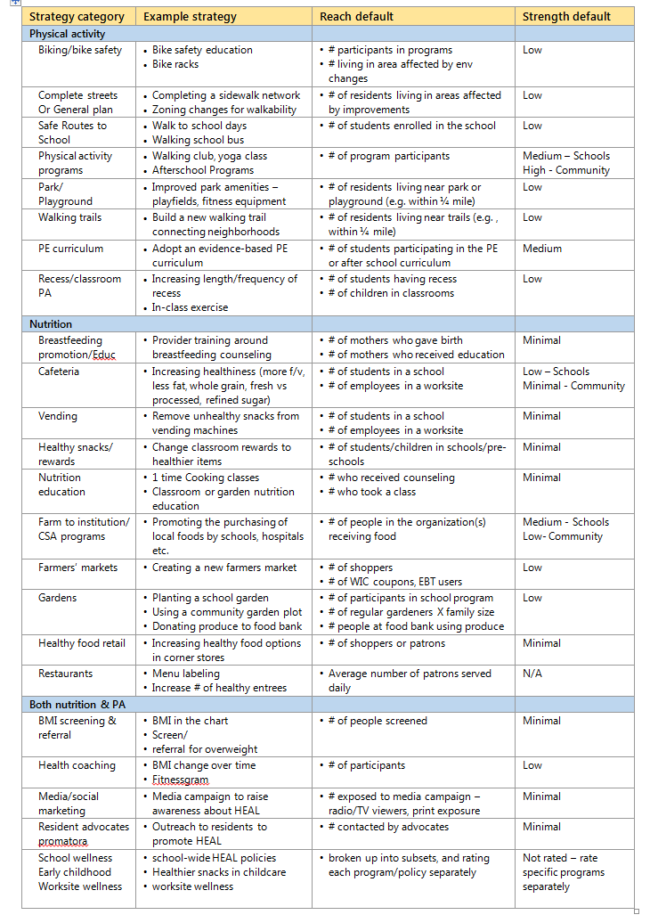
Strength Rating Guide
This strength rating guide is useful particularly when planning strategy clusters, in order to estimate potential strength/dose of a set of strategies. Based on evidence from the literature and our strategy level evaluations, we present average default strength of a strategy given typical implementation. Strategies might warrant a different rating based on implementation. The dose calculator includes thresholds of behavior change for strength categories.

Behind the scenes
Behind the scenes calculations
 | Strength can be determined in three ways
 | 1. Using default strengths, which are based on literature and prior evaluation evidence (see strength rating guide tab)
 | 2. Using implementation data to assign a strength level based on estimated change in behavior (per dose calculator pages)
 | 3. Using quantitative data to calculate a more precise estimate of change in behavior from baseline

 | This third way, based on observational, survey, interview and/or detailed implementation data, allows us to more precisely calculate dose.
 | Below is a table of formulas "behind the scenes" of calculating dose followed by an example.
 | If you are interested in learning more about calculations, please contact us! cche@ghc.org

 | Strategy Strength | = | % of reached impacted | x | Increase in behavior (PA & F/V) or net healthy intake (SSB & HF) |  |  | x | frequency of exposure
 | Physical Activity (PA) | = | % impacted | x | % increase in physical activity minutes |  |  | x | frequency
 | Fruit and Vegetables (FV) | = | % impacted | x | % increase in servings of fruits and vegetables |  |  | x | frequency
 | Sugar Sweetened Beverage (SSB) | = | % impacted | x | % energy intake affected | x | decrease in unhealthy | x | frequency
 | Healthy foods (HF) | = | % impacted | x | % energy intake affected | x | decrease in unhealthy | x | frequency

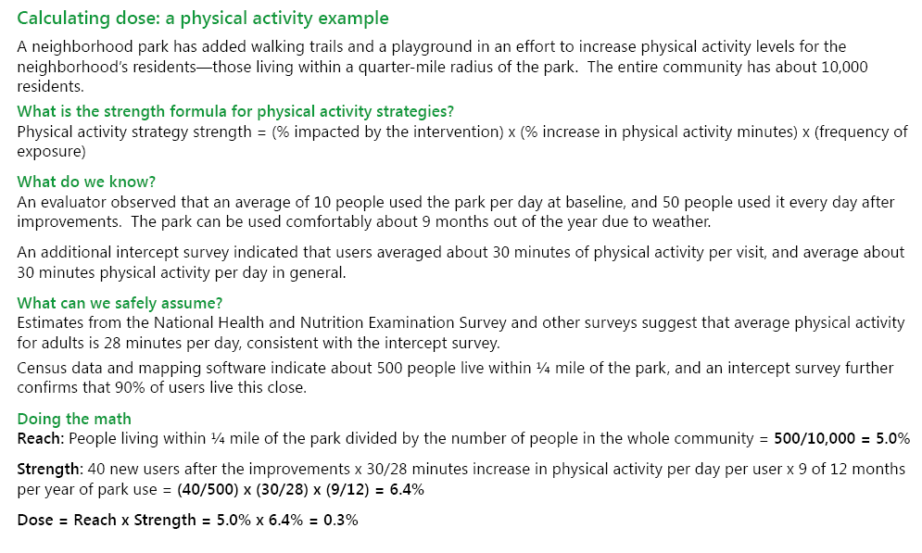

 | Our strength defaults and estimates are continually being refined as more strategy level evaluations are conducted. We look forward to collaborating with others to continue to build the evidence base.

